Sheet1
KASHIWARP
 | Input Sheet

Please refer to the sample sheet when completing this sheet.
 | Date of Application
* |  |  |  |  | It is 2026/05/29 today.

 | Do you agree to comply with the user policy of KASHIWARP?
 | If not, your application will not be reviewed.
*

 | Do you satisfy the requirements of the data handling security checklist for KASHIWARP users?
 | If not, your application will not be reviewed. Please attached the checklist when submitting your application.
*

 | Application Type
*

 | User Type
*

 | Course Plan
 | Service Start Date, Service Period and Fees If the service start date falls after the first day of the requested month due to contract or administrative procedures, we will discuss the service start date and service period with you. As the service contract is based on a monthly basis, full monthly charges may apply even if the service starts partway through the month. 契約などの手続きの都合により、利用開始日が希望月の1日を過ぎる場合は、利用開始日や契約期間についてご相談させていただきます。 月単位の契約のため、月の途中からの契約開始の際にも月初からの満額請求を行う場合がございます。
 | Do you agree to the conditions above?
 | April | May | June | July | August | September | October | November | December | January | February | March

 | For Office Use Only
 | Fee (JPY, excluding tax) | XXX | 6-course plan: JPY 800,000/month 6 months 50% academic discount applied

 | Application Information

 | Research Project Title
*

 | Description of the Research Project (Please describe how the project aligns with the purpose of using KASHIWARP provided by NCCE.)
*

 | Research Representative (Principal Investigator)
 | Affiliation
 | Position/Title
 | Name
 | Address
 | Tel
 | E-mail

 | Person in charge of Information Management at the user's organization
 | Affiliation
 | Position / Title
 | Name
 | Address
 | Tel
 | E-mail

 | Applicant
 | Affiliation
 | Position / Title
 | Name
 | Address
 | Tel
 | E-mail

 | Billing Address / Address for Invoice Documents
 | E-mail
 | Affiliation
 | Position / Title
 | Name
 | Address (for postal mail)
 | Tel
 | E-mail
 | Name of Payment Account Holder (for payment verification)

 | Name of the Contracting Party (if different from the Research Representative)
 | Affiliation
 | Position / Title
 | Name
 | Address
 | Tel
 | E-mail

For account use applications, please complete Sheet2.

Sheet2
KASHIWARP
Input Sheet
KASHIWARP User Registration
Please fill in the fields highlighted in green.
Common Items
Application Type | Select one of the following: New / Renewal / Change / Deletion | New
Item |  | User 1 | User 2 | User 3 | User 4 | User 5
Name
Furigana (Phonetic spelling of your name)

If you are applying for six or more users, please add additional columns for each user.
- How to add columns:
1. Select the cell range from rows 6 to 21 in the column you wish to copy.
2. Go to the Home tab and select "Insert" > "Insert Sheet Columns".
- How to delete columns:
1. Click the column header (column letter), and Select "Delete".
Required Fields for New Applications
Affiliation (Employer)
Email address
Access Source IP Address | Global IP addresses for which firewall access has been approved at the user’s originating organization. If there are multiple IPs, please list each one, separated by commas or line breaks.
Requests | Please make sure you have a basic knowledge of UNIX before using KASHIWARP. | I have basic UNIX knowledge.
Preferred KASHIWARP account ID (1st choice)
Preferred KASHIWARP account ID (2nd choice)
Preferred KASHIWARP account ID (3rd choice)
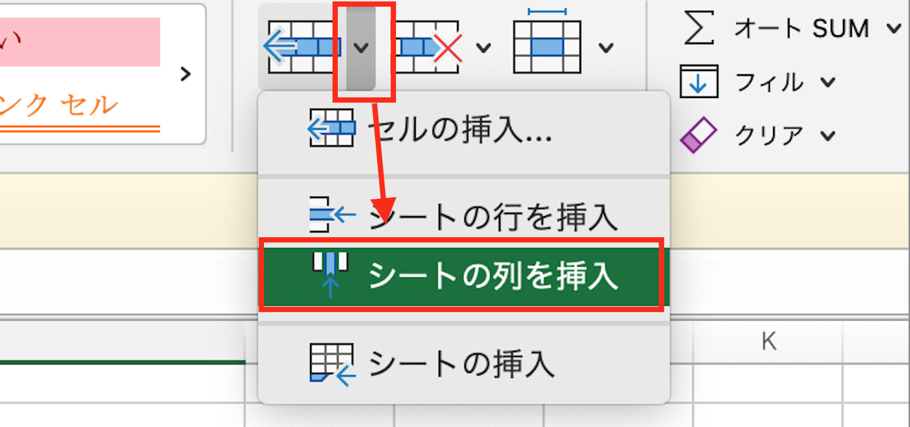
Complete this section for renewal or change applications only
Group Name (wp + number; leave blank for new group applications)
KASHIWARP account ID
Access Source IP Address*

The initial password will be provided upon completion of registration. Please change your password after your first login.

Sample
KASHIWARP
 | Input Sheet

Please refer to the sample sheet when completing this sheet.
 | Date of Application
* |  |  |  |  | It is 2026/05/29 today.

 | Do you agree to comply with the user policy of KASHIWARP?
 | If not, your application will not be reviewed.
*

 | Do you satisfy the requirements of the data handling security checklist for KASHIWARP users?
 | If not, your application will not be reviewed. Please attached the checklist when submitting your application.
*
Course Plan
- Course selection is made on a monthly basis.
- For renewal applications, the plan for the next fiscal year must be submitted by the end of March.
- Please note that the contract procedures may take approximately two weeks to complete.
 | Application Type
*

 | User Type
*

 | Course Plan
 | Service Start Date, Service Period and Fees If the service start date falls after the first day of the requested month due to contract or administrative procedures, we will discuss the service start date and service period with you. As the service contract is based on a monthly basis, full monthly charges may apply even if the service starts partway through the month. 契約などの手続きの都合により、利用開始日が希望月の1日を過ぎる場合は、利用開始日や契約期間についてご相談させていただきます。 月単位の契約のため、月の途中からの契約開始の際にも月初からの満額請求を行う場合がございます。
 | Do you agree to the conditions above?
Service Fees
- Fees are determined on a monthly basis according to the selected course.
- The fee is determined based on the course specified in advance at the time of application.
- As a general rule, the payment due date is set to either the month following the end of the fiscal year’s service period or the final month of use. This can be adjusted upon request.
- No changes can be made after the contract has been finalized.
 | April | May | June | July | August | September | October | November | December | January | February | March

 | For Office Use Only
 | Fee (JPY, excluding tax) | XXX | 6-course plan: JPY 800,000/month 6 months 50% academic discount applied

 | Application Information

 | Research Project Title
*

 | Description of the Research Project (Please describe how the project aligns with the purpose of using KASHIWARP provided by NCCE.)
*

Information Management Officer
- One member must be appointed from within the user group.
- As the person in charge of information management at the user's organization is granted permission to export data, please select this person from among the users.
 | Research Representative (Principal Investigator)
 | Affiliation
 | Position/Title
 | Name
 | Address
 | Tel
 | E-mail

 | Person in charge of Information Management at the user's organization
 | Affiliation
 | Position / Title
 | Name
 | Address
 | Tel
 | E-mail

 | Applicant
 | Affiliation
 | Position / Title
 | Name
Billing Information
This section is used for the invoice addressee and mailing details. Please provide the department and contact person responsible for payment processing.
- Please note that credit card payments are not accepted at our institution; payment must be made via bank transfer.
- We would appreciate it if you could confirm whether payment in Japanese Yen (JPY) is acceptable.
- For payment verification purposes, please clearly indicate the invoice name and the remitter information.
 | Address
 | Tel
 | E-mail

 | Billing Address / Address for Invoice Documents
 | E-mail
 | Affiliation
 | Position / Title
 | Name
 | Address (for postal mail)
 | Tel
 | E-mail
 | Name of Payment Account Holder (for payment verification)

 | Name of the Contracting Party (if different from the Research Representative)
 | Affiliation
 | Position / Title
 | Name
 | Address
 | Tel
 | E-mail

For account applications, please complete Sheet2.

